EIFS
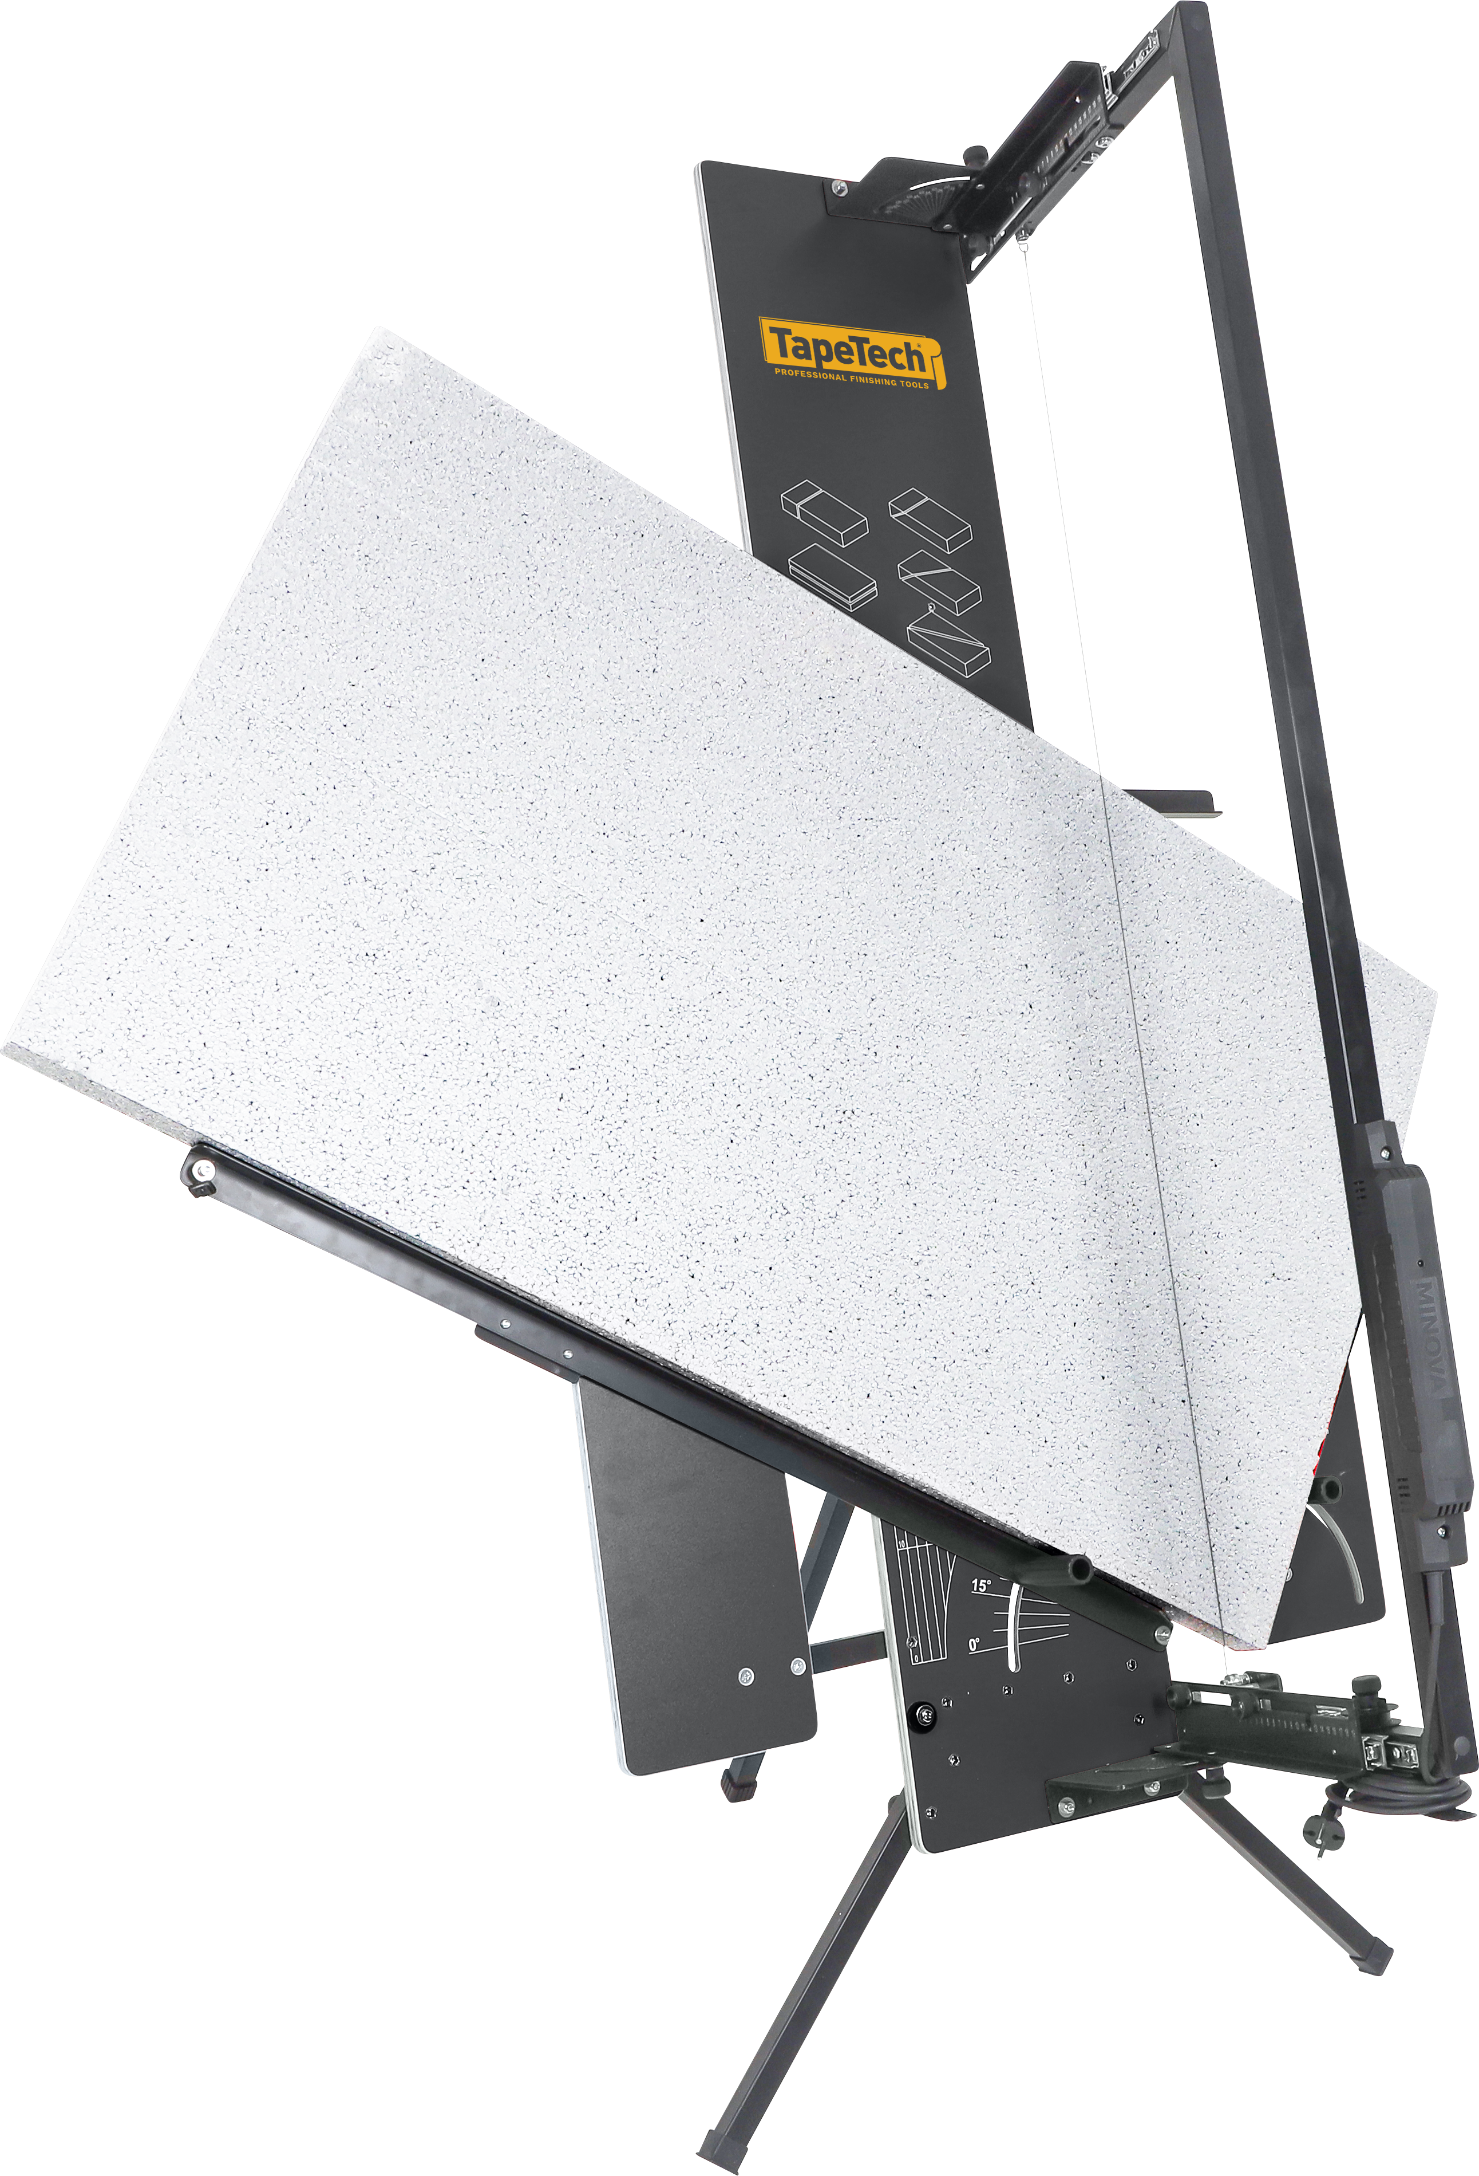
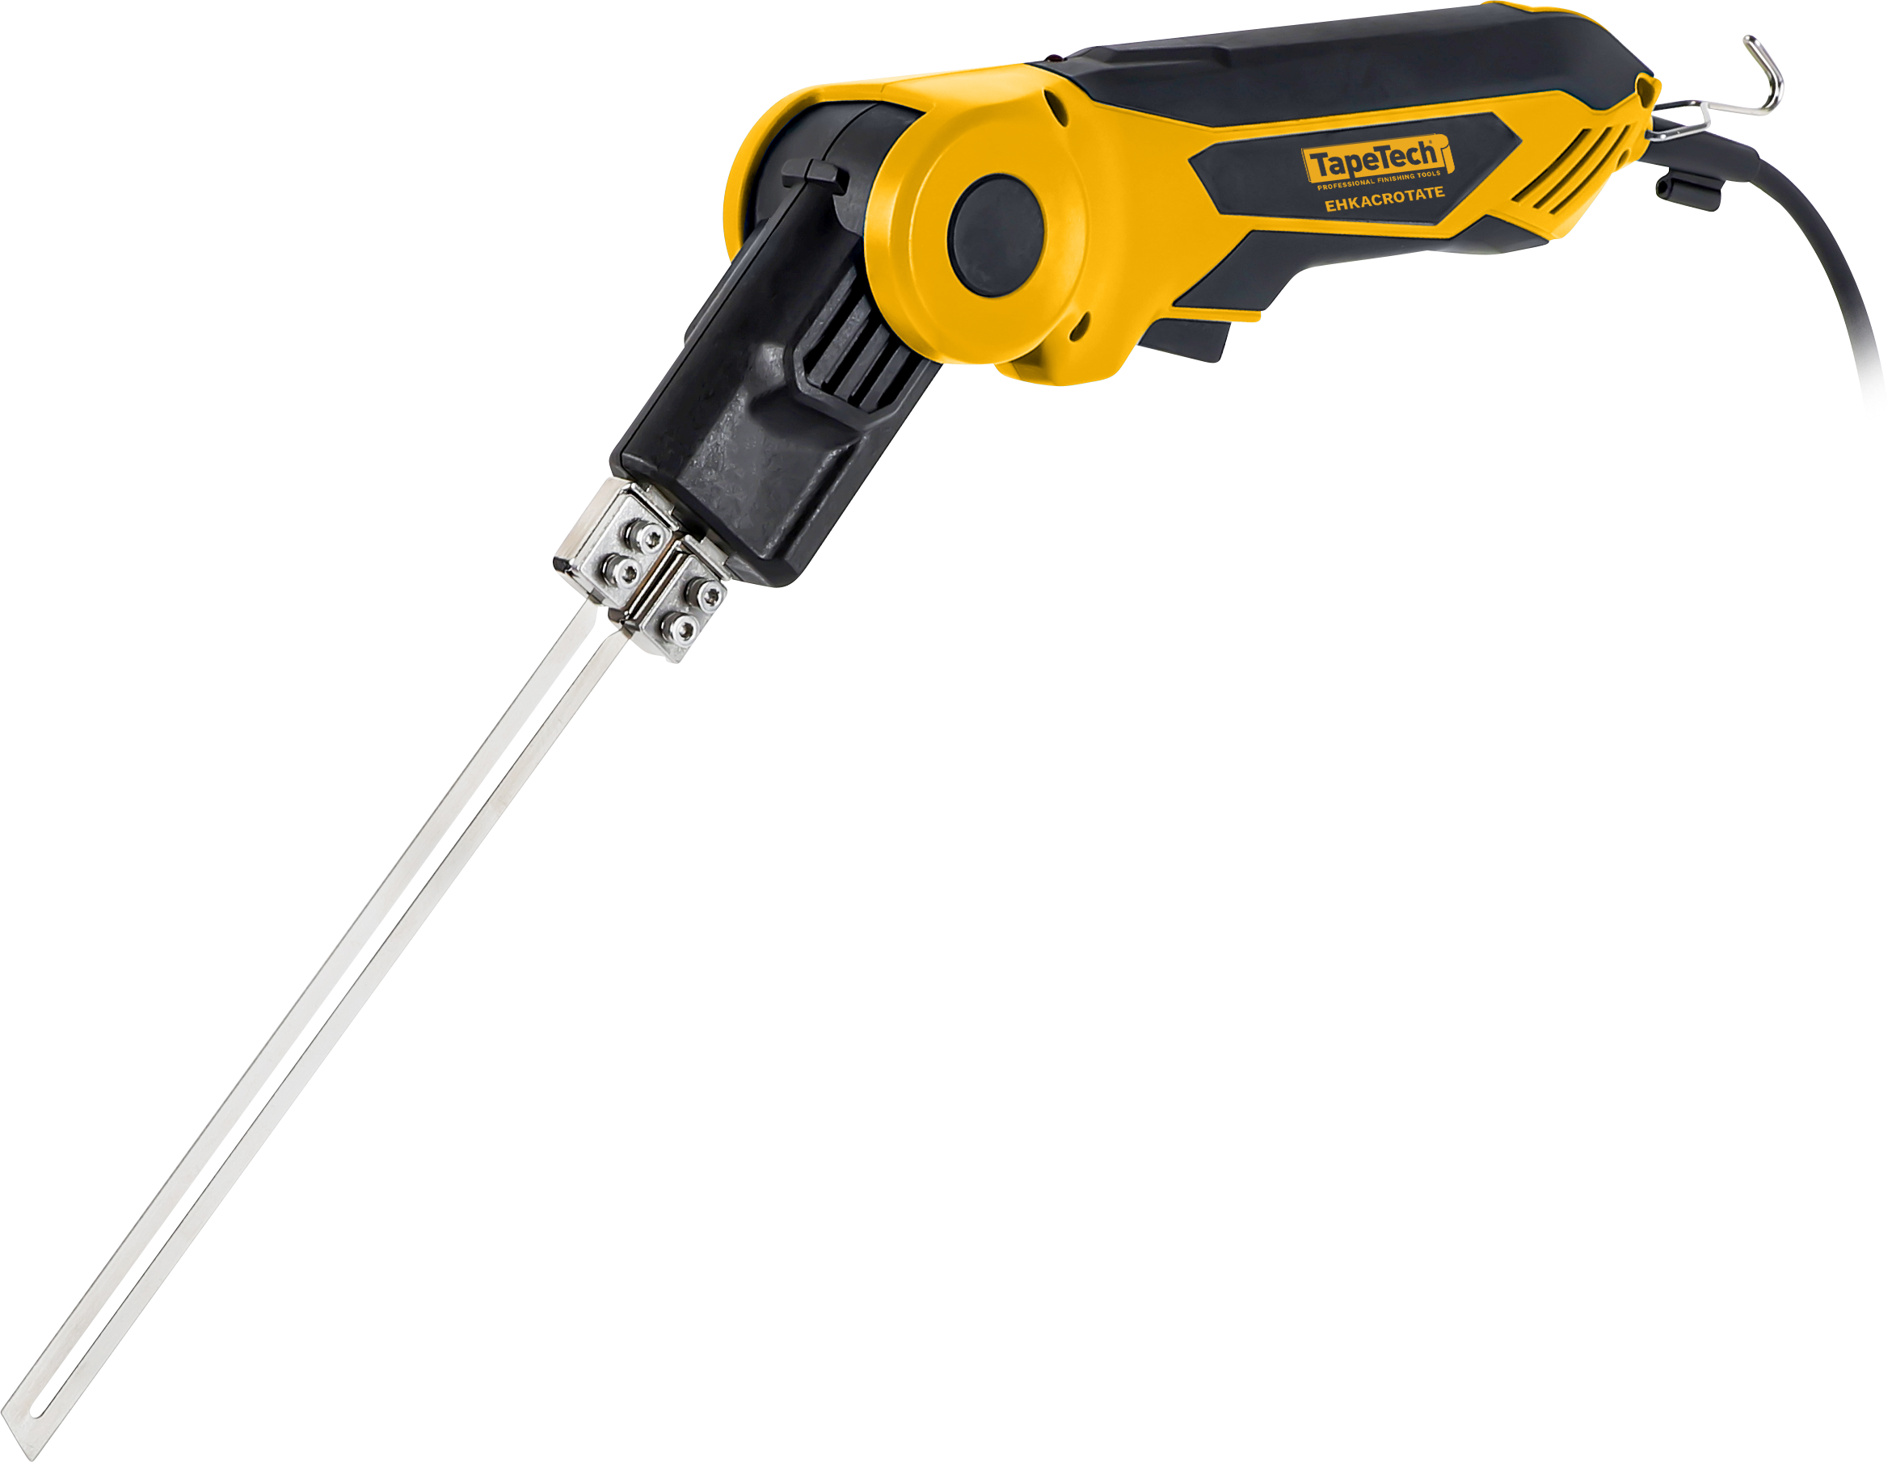
 | 2025 MAPP Pricing - EIFS Products

Hot Knives & Hot Wire Foam Cutters | Description | MAPP Pricing
EHKAC500 | Air-Cooled Hot Knife - 500 | $130.00
EHKAC-18V | Air-Cooled Hot Knife - 18V 400 | $201.00
EHKACROTATE | Air-Cooled Rotating Hot Knife - 500 | $159.00
EHKACROTATEKIT | Air-Cooled Rotating Hot Knife KIT - 500 | $384.00
EHKAC500KIT | Air-Cooled Hot Knife KIT - 500 | $219.00
EHK18VROTATEKIT | 18V Air Cooling Rotating Hot Knife Kit | $473.00
EHK18VROTATE | 18V Air Cooling Rotating Hot Knife Kit | $342.00
EHWJS100 | Portable Hot Wire Foam Cutter | $604.00
EHWJS18X2 | 36V Portable Hot Wire Foam Cutter | $681.00
EHWTABLE60 | Hot Wire Cutter Table with Folding Legs | $710.00
EHWBOW36V | 36V Hot Wire Cutting Bow | $266.00
EHWBOW120 | 120V Hot Wire Cutting Bow | $159.00
EHWTTOP6 | Tabletop Hot Wire Cutter | $93.00
Sanders & Vacuums
EIFSAND120 | Dual Disc Sander - 120V | $977.00
EIFSAND18V | 18V Cordless Dual Disc Sander | $1,357.00
EIFSVAC120 | Backpack Vacuum - 120V | $533.00
EIFSVAC18V | 18V Cordless Backpack Vacuum | $947.00
Tungsten Carbide Rasps
ERASP0214 | 2" x 14" Tungsten Carbide EIFS Rasp | $58.00
ERASP0414 | 4" x 14" Tungsten Carbide EIFS Rasp | $74.00
ERASP0614 | 6" x 14" Tungsten Carbide EIFS Rasp | $90.00
ERASP0814 | 8" x 14" Tungsten Carbide EIFS Rasp | $116.00
ERASP0448 | 4" x 48" Tungsten Carbide EIFS Rasp | $264.00
ERASPSERRATED0414 | 4" x 14" Tungsten Carbide EIFS Claw Rasp | $83.00
ERASPSERRATED0614 | 6" x 14" Tungsten Carbide EIFS Claw Rasp | $99.00
ERASPSERRATED0814 | 8" x 14" Tungsten Carbide EIFS Claw Rasp | $124.00
ERASPEDGE0614 | 6" x 14" Tungsten Carbide Edging Rasp | $142.00
EIFSAND0614 | 6" x 14" EIFS Vacuum Hand Rasp | $219.00
Other
ETURNTABLE | Scaffold Turntable | $99.00
EMESHDISPENSE | Mesh and Building Wrap Dispenser | $229.00

